For Parabolic (Barkers)
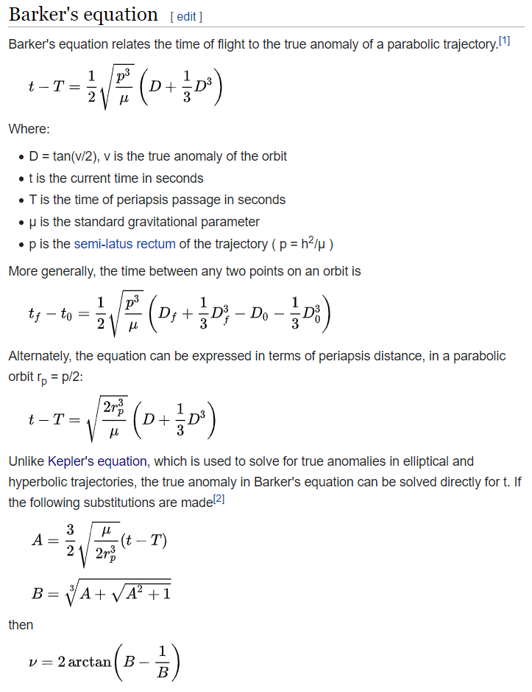
Barker's Equation Solver
Barker's equation relates the time-of-flight t to the true anomaly of a parabolic trajectory.
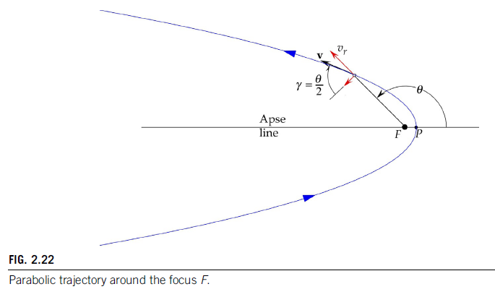

 |  |  |  |  |  |  | Little Converter
 |  |  |  |  |  |  | deg to rad converter | deg | rad
 |  |  |  |  |  |  |  | 60 | 1.047197551
 |  |  |  |  |  |  | rad to deg converter | rad | deg
 |  |  |  |  |  |  |  | 1.05 | 60.16056849

Task #1: Given true anomaly θ, find the time-of-flight |  |  |  |  |  | Task #2: Given time-of-flight t, find the true anomaly θ

Input |  |  |  |  |  | Input
INITIAL true anomaly θ_0 (rad) | 0.37255 |  |  |  |  | time at periapsis passage (s) | 0
FINAL true anomaly θ_f (rad) | 0.38555 |  |  |  |  | time-of-flight, t (s) | 28800
angular momentum, h | 50000 |  |  |  |  | angular momentum, h | 50000
gravitational parameter, μ | 398600 |  |  |  |  | gravitational parameter, μ | 398600

Output |  |  |  |  |  | Output
semil-latus rectum, p | 6271.951831 |  |  |  |  | semil-latus rectum, p | 6271.951831
D_0 | 0.1884598087 |  |  |  |  | A = | 54.90960538
D_f | 0.1951990202 |  |  |  |  |  | 109.8283159
 |  |  |  |  |  | B= | 4.788925799
the time between θ_0 and θ_f on a parabolic trajectory is
t_f - t_0 | 2.748593225 |  |  |  |  | true anomaly θ (rad) | 2.711668782

Altitude at perigee | 200 | km |  | μ | 398600
Radius at perigee | 6578 | km

Velocity at perigee | 11.00871707

Angular momentum | 72415.34092

True anomally | 3.18E-04 | rad | 0.01822750634

For Hyperbolic
Kepler's Equation Solver
M = e sinh F - F
To find the hyperbolic eccentric anomaly F .The eccentricity e and the hyperbolic Mean Anomaly Mh are given.

Time of flight, t | 12649.809 | s
Radius of apogee, ra |  | km
Radius of perigee, rp | 11155.048 | km
Semi-major axis, a | 5577.524 | km
Eccentricity, e | 1.7991
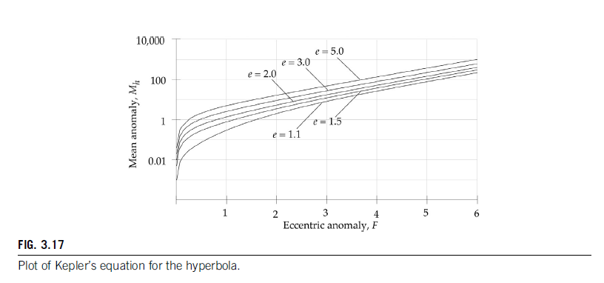
Period, P | 4145.466336
Mean anomaly, M | 19.1730164

Eccentricity, e | 1.7991
Mean anomaly, M | 4.8422 | M is calculated from t2

 | Eccentric anomaly, F | ratio f(F)/f'(F)
First guess, F₀ |  | -6.059567013
F | 6.05956701 | 0.9742153208
F2 | 5.08535169 | 0.9381003093
F3 | 4.14725138 | 0.8566176393
F4 | 3.29063374 | 0.6896002241
F5 | 2.60103352 | 0.4122980977
F6 | 2.18873542 | 0.1256644192
F7 | 2.06307100 | 0.009683709464
F8 | 2.05338729 | 5.312685977E-05
F9 | 2.05333417 | 1.588469392E-09
F10 | 2.05333416 | 0

true anomaly, θ | 1.93146138 | radians
 | 110.6645856 | degrees | or | 470.6645856 | degrees
 | ^this is θ2

SV to OE and others
State Vectors (r and v) to Orbital Elements and Other Parameters
gravitational parameter, μ |  | 398600
radius of Earth, R_E |  | 6378
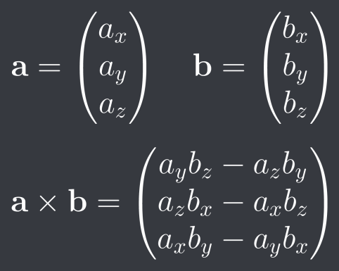
 |  |  |  |  |  |  |  |  | How to do cross product
the vectors (input) |  |  | the length of the vectors (output) |  |  | their cross products (output)
 |  |  |  |  |  | Angular momentum
 | -4040 | --> a_x | r = |r|= | 7257.786577
Vector r | 4815 | --> a_y |  |  |  |  | 25714.948 | --> h_i
 | 3629 | --> a_z |  |  |  | h = r x v = | -30659.55 | --> h_y
 |  |  |  |  |  |  | 69306.73 | --> h_z
 | -10.39 | --> b_x | v =|v|= | 11.5657088
Vector v | -4.772 | --> b_y
 | 1.744 | --> b_z |  |  |  | h = | 80029.30326

 | vector form |  | scalar form |  |  | Orbital Energy
 |  | -0.1389446714
eccentrcity | e=(vxh)/μ-r/r = | 1.255650847 | e = | 1.401584547 |  | ε = | 11.96248467
 |  | 0.607021063

semi-major axis |  |  | radius of apogee | -40011.40343 | radius of perigee | 6690.566583
a= | -16660.41843

 |  |  |  | Node Line, N |  |  | K
perp_velocity | v_t | 11.02668181 |  |  | 30659.55 | --> N_x | 0 | --> K_i
radial velocity | v_r | -6.897288695 |  | N= | 25714.948 | --> N_y | 0 | --> K_j
 |  |  |  |  | 0 | --> N_z | 1 | --> K_k
inclination | i | 0.5236157609 | rad
 |  | 30.00097318 | deg | N= | 40015.82883
argument of perigee | ω | 1.047480997 | rad
 |  | 60.01624025 | deg
right ascension of the ascending node | Ω | 0.6979121417 | rad
 |  | 39.98742019 | deg
true anomaly | θ | 0.5234775305 | rad
 |  | 29.99305317 | deg

Six Classical Orbital Elements | a | -16660.41843
 | e | 1.401584547
 | i | 30.00097318 | deg
 | ω | 60.01624025 | deg
 | Ω | 39.98742019 | deg
 | θ | 29.99305317 | deg

JD Sidereal
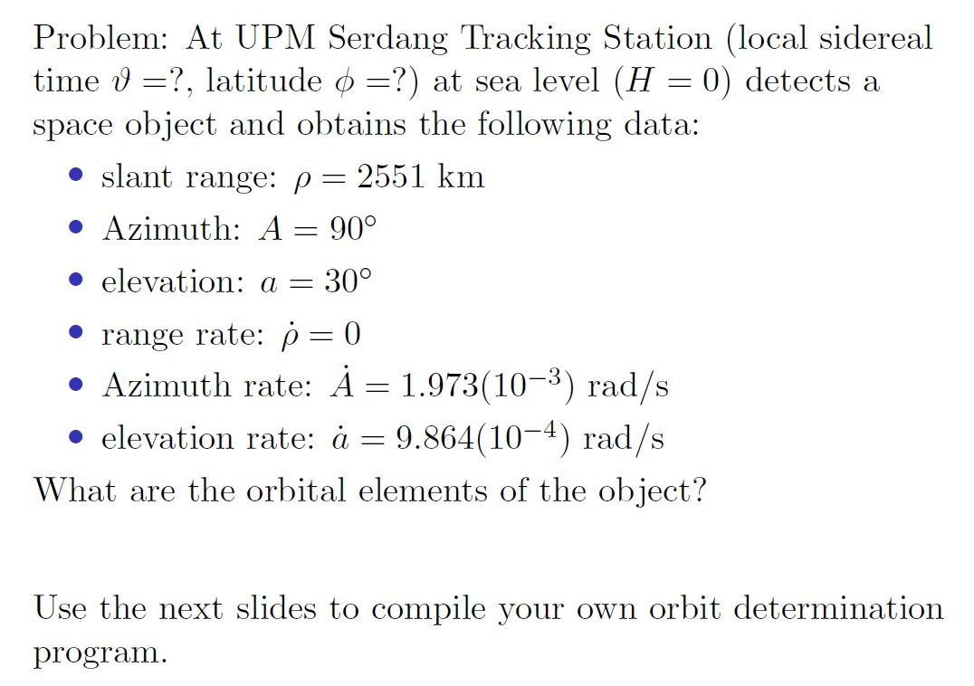
 | LOCAL SIDEREAL TIME CALCULATOR
 | Given date, local time and east longitude, find local sidereal time.

 | INPUT |  |  | Local Time to Universal Time Converter
 | Date | 2004 | year | Local Time | 12 | hour
 |  | 3 | month |  | 30 | min
 |  | 3 | day |  | 00 | sec
 | Universal Time | 4 | hour | Universal Time | 4 | hour
 |  | 30 | minute |  | 30 | min
 |  | 00 | second |  | 00 | sec
 | Local Time (GMT+8) | 12:30.0 | pm
 | East Longitude | 139.7514 | deg
 | Latitude | 60 | deg
 | Altitude | 0 | km
 | Universal Time UT in Hour | 4.5 | hrs
 | OUTPUT
Step 1 | J_0 | 2453067.5

Step 2 | T_0 | 0.04168377823

Step 3 | θ_G_0 | 1601.10873 | deg

 | final θ_G_0 | 161.10873 | deg

Step 4 | θ_G | 228.79354

Step 5 | θ | 368.54494
 | θ after subtracting 360 | 8.54494 | deg
 | Sidereal Time | 0.570 | hr

